Test Case Summary
Test Case Summary

TEST CASE REPORT

Project Name | SHEIN | Online Shopping Platform
Module Name | Test Scenario
Feature
Test Case Version
Executed By | Tahzib Tazwar
Written By | Tahzib Tazwar
Reviewed By
TEST EXECUTION REPORT

Test Case | Pass | Fail | Not Executed | Out of Scope | Total
Test Case | 239 | 19 | 1 | 0 | 259

Test Case Pi-chart

MindMap
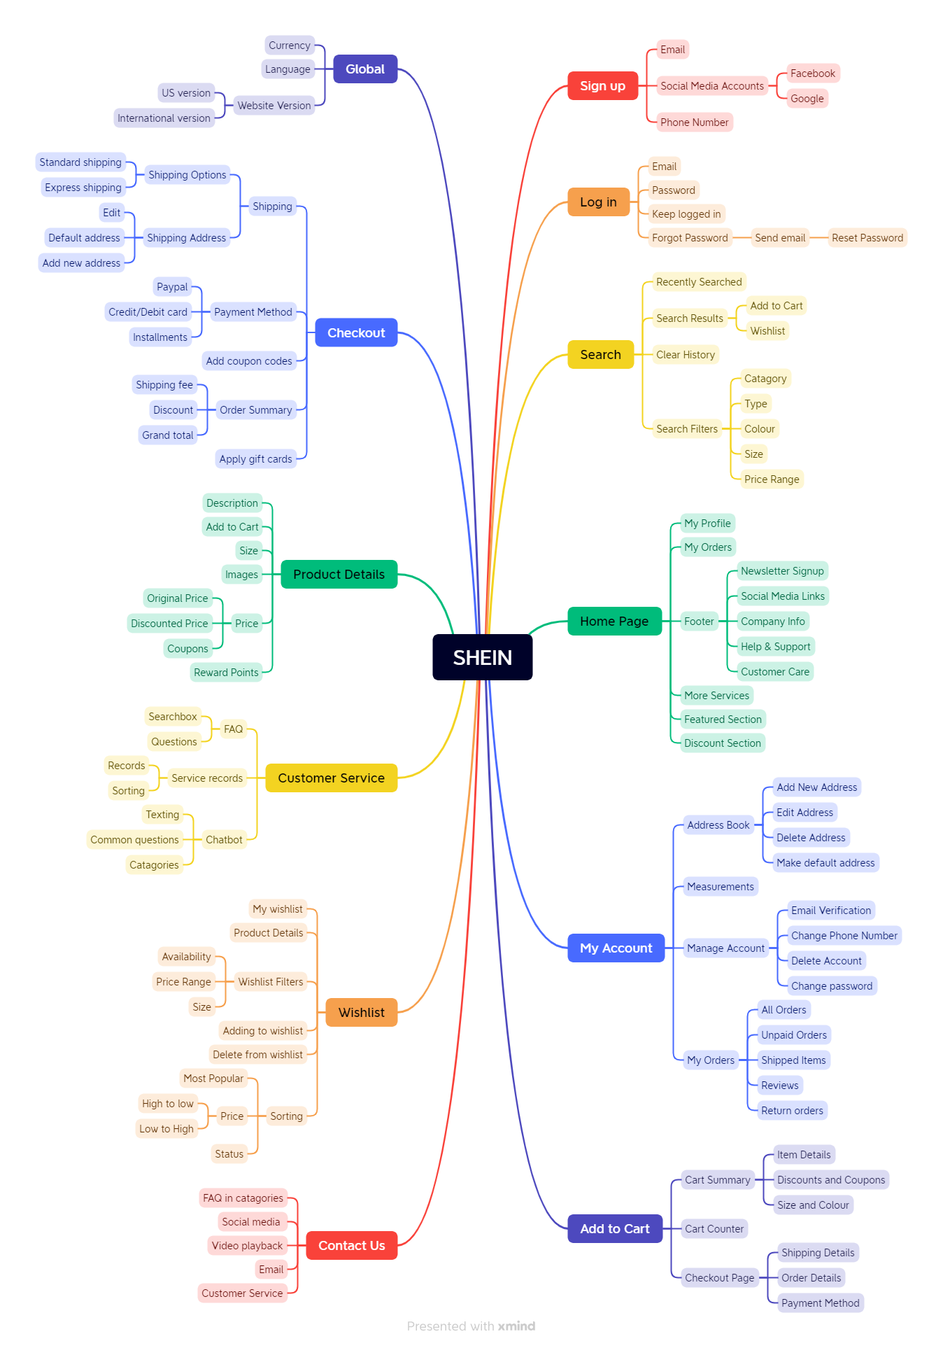
MindMap

